AB7E
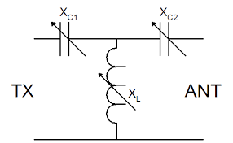
R(in)
X(in)
R(load)
X(load)
C1
C2
L
 |  |  | Freq(MHz) =

 |  |  | R(load) =

 |  |  | X(load) =

 |  |  | SWR(load) = | > 100 | > 100 | > 100 | > 100 | > 100 | > 100 | > 100 | > 100 | > 100 | > 100

 |  |  | R(in) =

 |  |  | X(in) =

 |  |  | SWR(in) =
 |  |  |  |  |  | Missing Entry Data

Power (in) = | watts |  | I (rms) =
 |  | C1 | V (peak) =
C1(pf) = |  |  | Pd (watts) =
Q(C1) =
 |  |  | I (rms) =
C2(pf) = |  | C2 | V (peak) =
Q(C2) = |  |  | Pd (watts) =

L(uH) = |  |  | I (rms) =
Q(L) = |  | L | V (peak) =
 |  |  | Pd (watts) =

